1. Title Page
[Project Name]

Project Name: Instacart Basket Analysis
Date: November 2024
Analyst Name: Daniella Benavides

Contents:
Population Flow
Consistency checks
Wrangling steps
Column derivations
Visualizations
Recommendations

2. Population Flow
 |  | Title page

Population flow

Exclusion flag
Condition: max_order <
Obervations to be removed:
Final total count of order_products_all:

Orders_products_combined
Orders_products_merged
Orders_products_all

Total:
Total: 32,424,489
Total:
32,404,859 | 32,404,859

1.) The grey boxes in the first row of the population flow represent the original data sets as they were when you downloaded them. In the Total fields you need to add the count of the rows when you imported the data set into Jupyter.
2.) The second row of boxes (coloured) represents the data sets after you manipulated them, e.g., removed missing values and duplicates. In the Total fields you need to add the count of the rows after conducting these operations. This offers a visual oveview of how the data flows throughout the data consistency checks.
3.) The third row, where also the arrows are coloured, represents the merges you performed between the datasets. In the Total fields you need to add the count of the rows in the merged datasets, so that you end up with the final dataset (in the red box). Keep in mind the final dataset should be without exclusions (based on the exclusion flag).

3. Consistency checks
 |  |  |  | Title page
Consistency checks

Dataset | Missing values | Missing values treatment | Duplicates
orders | 206,209 in "days_since_prior_order" | Flagged them as "first_orders" | No duplicates found
products | 16 missing values | Removed | Removed 5 duplicate rows
orders_products_prior | None | None | No duplicates found
customers | None | None | No duplicates found

4. Wrangling steps
 |  |  |  | Title page
Wrangling steps

Columns dropped | Columns renamed | Columns' type changed | Comment/Reason
eval_set column from orders
 |  | order_id | changed to string
 |  | user_id | changed to string
 | order_dow |  | orders_day_of_the_week - more intuitive name
 | Surnam |  | Changed to Surname for consistency checks
 | STATE |  | Changed to State for consistency checks
 | n_dependants |  | Changed to Nº of dependants for consistency checks
 | fam_status |  | Changed to Family status for consistency checks

5. Column derivations
 |  |  |  | Title page

Column derivations and aggregations

In this tab you should add tables below that the frequences of flags/label variables that you produced after deriving them. NB: don't do this for continuous variables, only for flags.
Dataset | New column | Column/s it was derived from | Conditions
ords_prods_merge(new) | price_range | prices | if prices <= 5 then 'low-range product' if prices >5 & <= 15 then 'mid-range product' if prices > 15 then 'high-range product' else 'not enough data'
ords_prods_merge(new) | busiest_day | orders_day_of_the_week | if value == 0 then 'Busiest day' if value == 4 then 'Least busy' else 'Regularly busy'
ords_prods_merge(new) | busiest_days | orders_day_of_the_week | if value == 0 or 1 then 'Busiest days' if value == 3 or 4 then 'Slowest days' else 'Regularly busy
ords_prods_merge(new) | busiest_period_of_day | order_hour_of_day | If the value is 9, 10, 11, 12, 13, 14, 15, or 16, then 'Most orders' If the value is 7, 8, 17, 18, 19, 20, 21, or 22, then 'Average orders' Else, 'Fewest orders'
ords_prods_merge_updated(new) | loyalty_flag | max_order | If max_order is greater than 40, then loyalty_flag set as 'Loyal customer'. If max_order is between 10 and 40, then loyalty_flag set as 'Regular customer'. If max_order is 10 or fewer, then loyalty_flag set as 'New customer'
ords_prods_merge_updated(new) | mean | prices | Average price per customer
ords_prods_merge_updated(new) | spender_flag | average_spend | If average_spend is less than 10, set spender_flag to 'Low_spender'. If average_spend is 10 or greater, set spender_flag to 'High_spender'.
ords_prods_merge_updated(new) | Customer_frequency | days_since_prior_order | If Customer_frequency is greater than 20, set frequency_flag to 'Not regular customer'. If Customer_frequency is between 10 and 20 (inclusive), set frequency_flag to 'Regular customer'. If Customer_frequency is 10 or fewer, set frequency_flag to 'Frequent customer'.
ords_prods_customers_merged | Region | State | If the State is in the Northeast U.S. (e.g., Maine, New York, Pennsylvania), set the Region to 'Northeast'. If the State is in the Midwest U.S. (e.g., Wisconsin, Michigan, Illinois), set the Region to 'Midwest'. If the State is in the South U.S. (e.g., Florida, Texas, Virginia), set the Region to 'South'. If the State is in the West U.S. (e.g., California, Arizona, Washington), set the Region to 'West'. If the State is not recognized, set the Region to 'Unknown'.
ords_prods_customers_merged | age_group | age | If Age is 25 or younger, set age_group to 'Young Adult'. If Age is between 26 and 40 (inclusive), set age_group to 'Adult'. If Age is between 41 and 65 (inclusive), set age_group to 'Middle Aged'. If Age is over 65, set age_group to 'Senior'.
ords_prods_customers_merged | income_group | income | If income is 50,000 or less, set income_group to 'Low Income'. If income is between 50,001 and 100,000 (inclusive), set income_group to 'Middle Income'. If income is greater than 100,000, set income_group to 'High Income'.
ords_prods_customers_merged | dependents_flag | Nº of dependant | If Nº of dependants is greater than 0, set dependents_flag to 'Has Dependents'. If Nº of dependants is 0, set dependents_flag to 'No Dependents'.

6. Visualizations
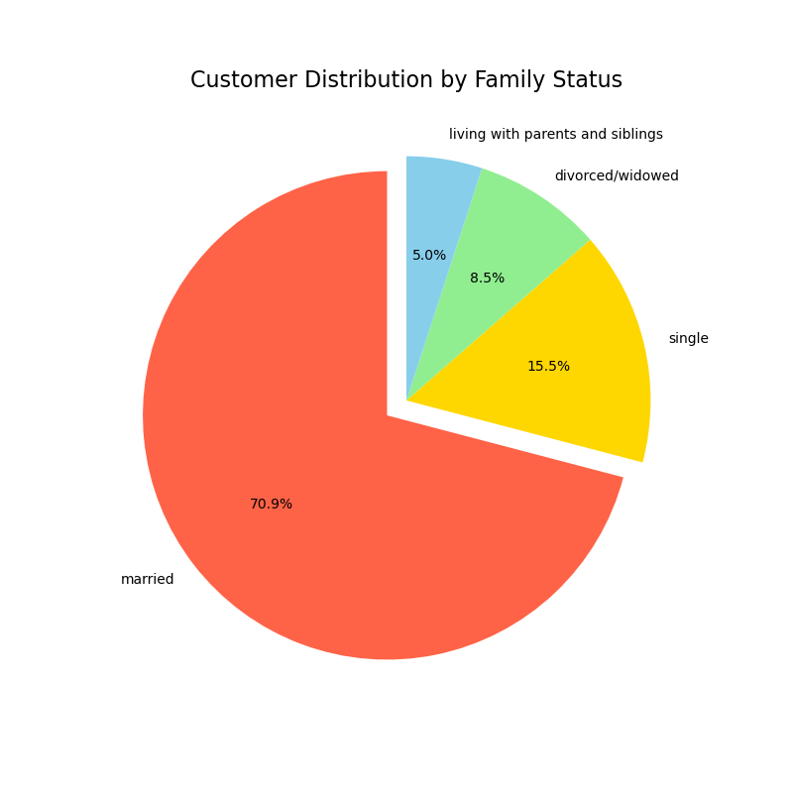
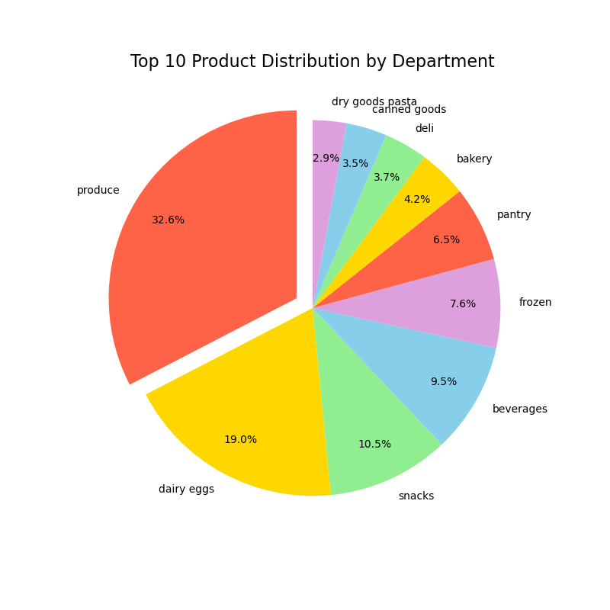
Visualisations

1. Question: The sales team needs to know what the busiest days of the week and hours of the day are (i.e., the days and times with the most orders) in order to schedule ads at times when there are fewer orders.

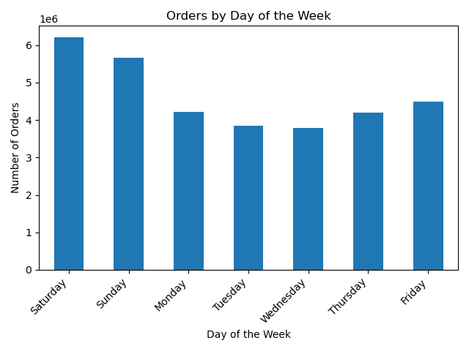

Answer: Saturday and Sunday are the busiest days, especially between 8 AM and 4 PM. On the other hand, Wednesday is the quietest day, with the least activity from 2 AM to 5 AM.

2. Question: They also want to know whether there are particular times of the day when people spend the most money, as this might inform the type of products they advertise at these times.



Answer: People spend the most late at night and early in the morning. It drops off mid-morning (around 5–10 AM) but picks up again in the afternoon and evening and stays pretty steady.
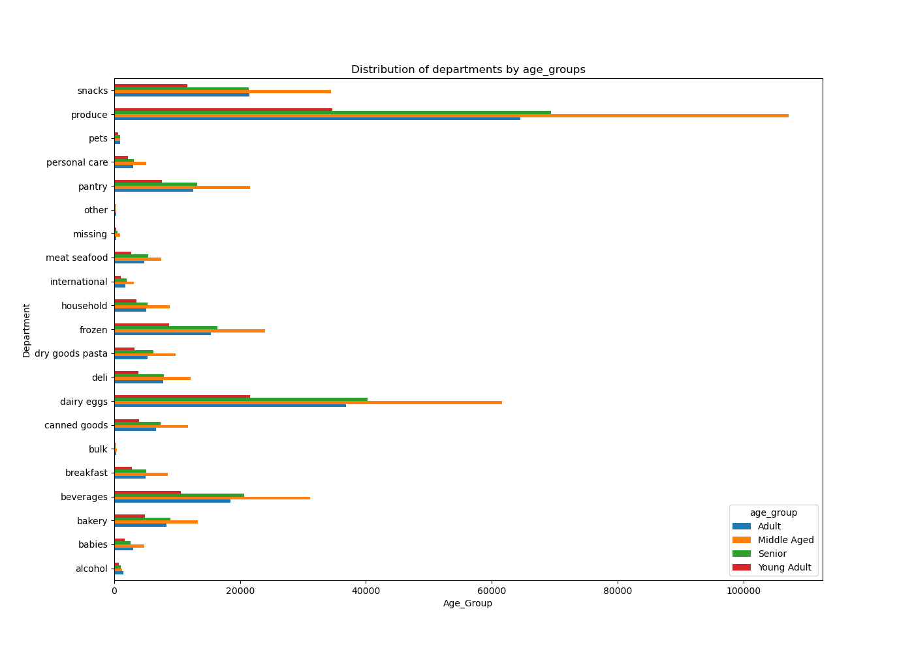
3. Question: Are there certain types of products that are more popular than others? The marketing and sales teams want to know which departments have the highest frequency of product orders.

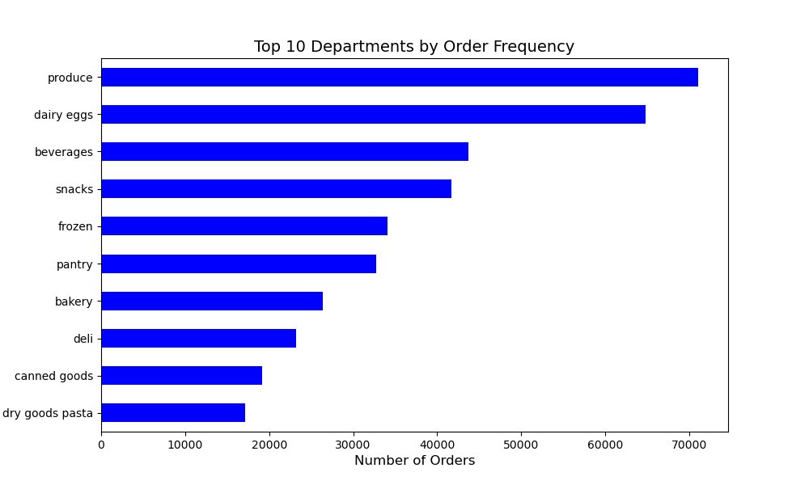

Answer: Produce, Dairy eggs and Beverages are Instacart best sellers by department. We can also see that those 3 departments are the most popular ones between middle aged customers.

4. Question: What’s the distribution among users in regards to their brand loyalty (i.e., how often do they return to Instacart)?

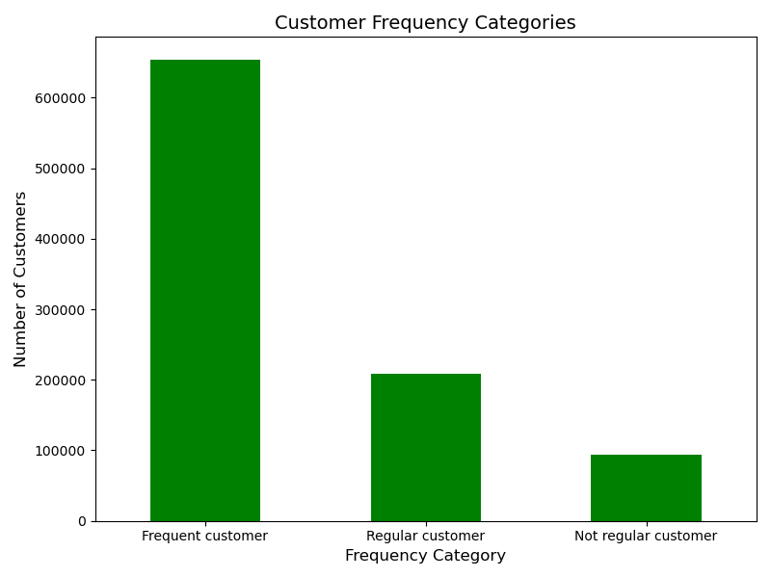

Answer: The chart categorizes customers based on how often they return to Instacart. Based on the results, we can see that Frequent Customers, who make 10 or fewer orders, have the strongest loyalty to the brand because they return to make purchases more consistently than the other groups.

5. Are there differences in ordering habits based on a customer’s loyalty status?

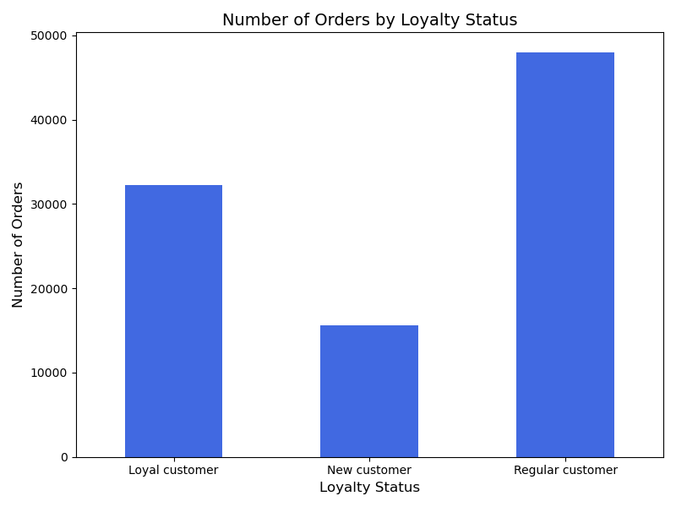

Answer: Yes, there are differences in ordering habits based on loyalty status. Based on the chart we can clearly see that Regular customers place the most orders, showing the highest engagement with the platform. Loyal customers order less often but still come back, and New customers are starting to explore the platform so we can see the lowest number of orders made by this group.

6. Are there differences in ordering habits based on a customer’s region?
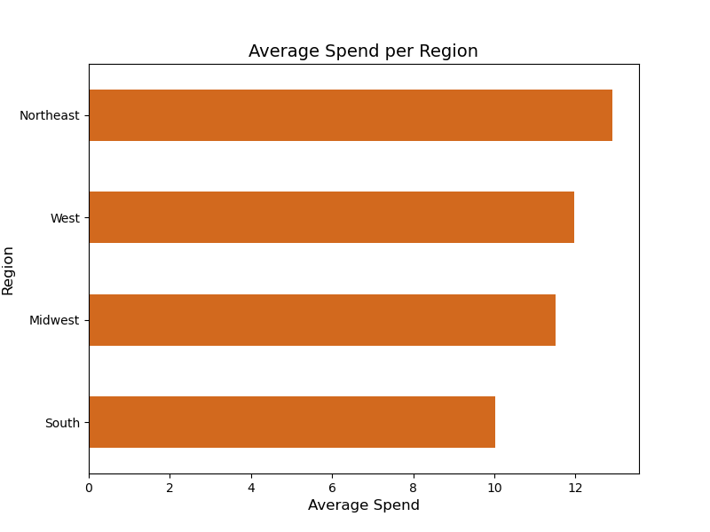
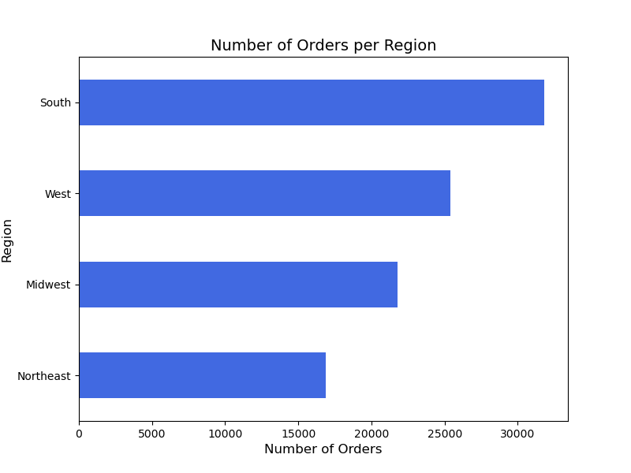

Answer: Based on the charts above we can see that customer in different regions order differently. The South tends to place more orders with lower amounts, while the Northeast places fewer orders but spends more on each one.

7. Is there a connection between age and family status in terms of ordering habits?

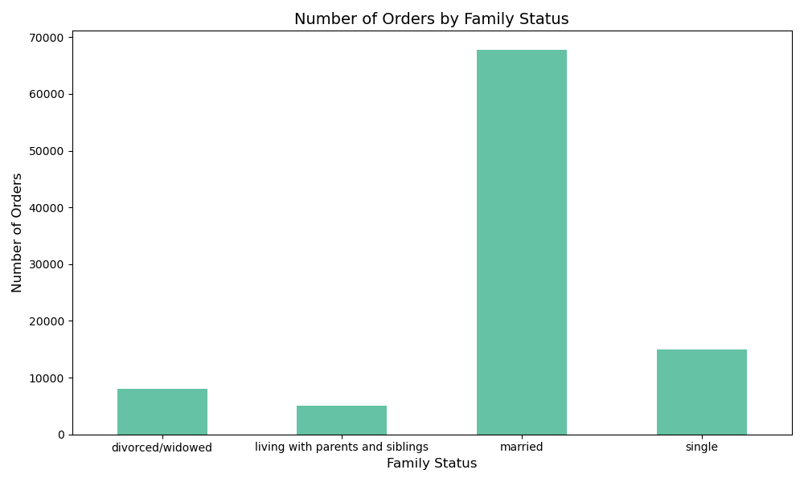
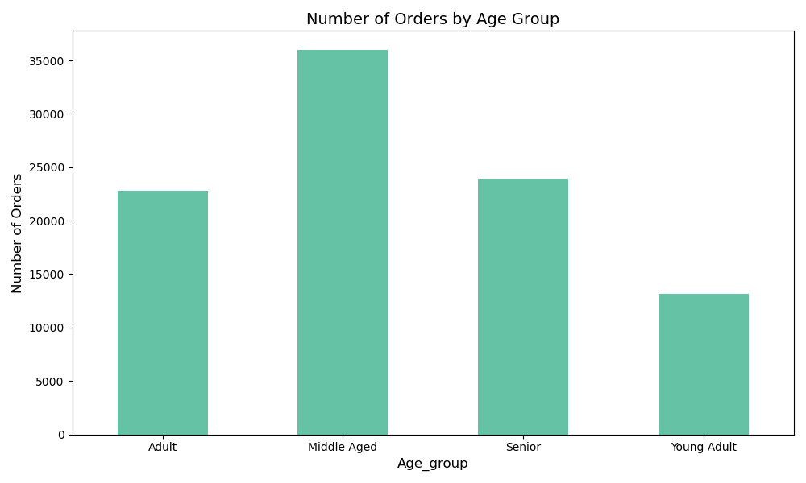

Answer: Based on the charts we can see that married and middle age customers tend to make the most orders.

8. What different classifications does the demographic information suggest? Age? Income? Certain types of goods? Family status?

Age Groups | Income Groups

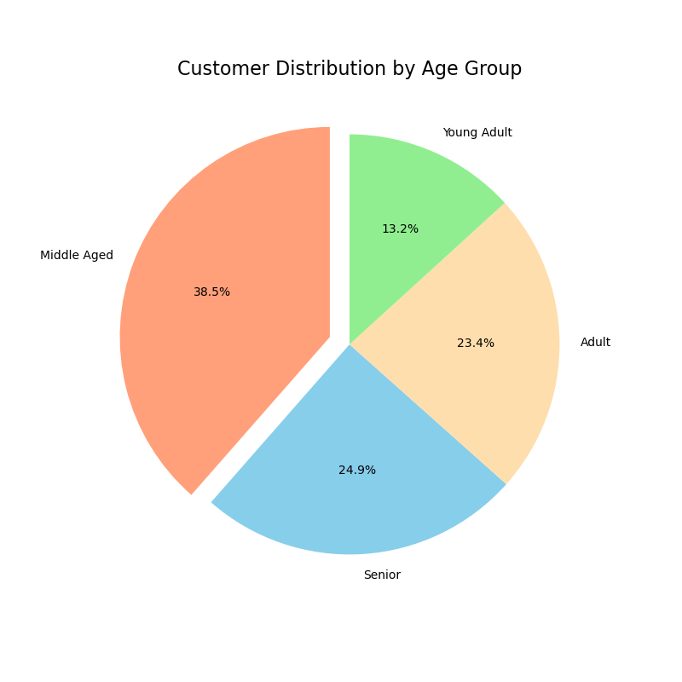
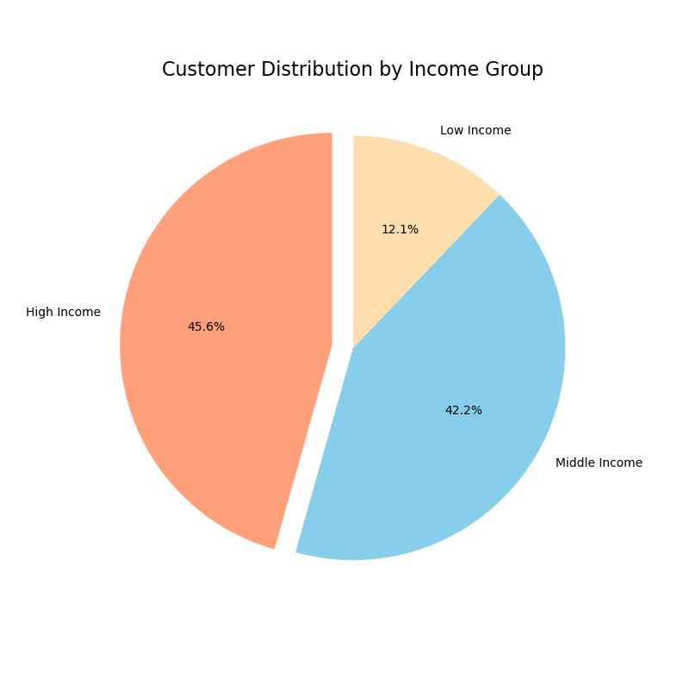

Family Status |  | Top 10 Departments

7. Recommendations
 |  |  | Title page

Recommendations

Question | Answer | Recommendations
1. Question: The sales team needs to know what the busiest days of the week and hours of the day are (i.e., the days and times with the most orders) in order to schedule ads at times when there are fewer orders. | Saturday and Sunday are the busiest days, especially between 8 AM and 4 PM. On the other hand, Wednesday is the quietest day, with the least activity from 2 AM to 5 AM. | Since Saturday and Sunday are the busiest days, especially between 8:00 AM and 4:00 PM, it would be a good idea to run ads during the quieter times outside these hours. Wednesday's quiet hours (2:00 AM to 5:00 AM) would also be a good time for targeted ads.
2. Question: They also want to know whether there are particular times of the day when people spend the most money, as this might inform the type of products they advertise at these times. | People spend the most late at night and early in the morning. It drops off mid-morning (around 5–10 AM) but picks up again in the afternoon and evening and stays pretty steady. | If people tend to spend less during 5:00 - 10:00 maybe Instacart should promote products that are more budget-friendly during this time frame and shift more high-end items in the afternoon and evening when spending picks up again.
3. Question: Are there certain types of products that are more popular than others? The marketing and sales teams want to know which departments have the highest frequency of product orders. | Produce, Dairy eggs and Beverages are Instacart best sellers by department. We can also see that those 3 departments are the most popular ones between middle aged customers. | Target middle-aged demographics. Tailor ads for this age group and promote products that appeal to their lifestyle and consider offering discounts that match their shopping habits.
4. Question: What’s the distribution among users in regards to their brand loyalty (i.e., how often do they return to Instacart)? | Based on the results, we can see that Frequent Customers, who make 10 or fewer orders, have the strongest loyalty to the brand because they return to make purchases more consistently than the other groups. | Offer exclusive deals or rewards to frequent customers to keep them coming back. Create loyalty programs that offer discounts or earns them points for every order.
5. Question: Are there differences in ordering habits based on a customer’s loyalty status? | Yes, there are differences in ordering habits based on loyalty status. Based on the chart we can clearly see that Regular customers place the most orders, showing the highest engagement with the platform. Loyal customers order less often but still come back, and New customers are starting to explore the platform so we can see the lowest number of orders made by this group. | Focus on converting new customers into regular customers by offering special deals to motivate them to continue making purchases and become regular customers.
6. Question: Are there differences in ordering habits based on a customer’s region? | Customer in different regions do order differently. The South tends to place more orders with lower amounts, while the Northeast places fewer orders but spends more on each one. | Offer smaller, budget-friendly offers in the South, where customers place more orders but spend less. In the Northeast, promote more premium products or to appeal to customers who spend more per order but place fewer orders.
7. Question: Is there a connection between age and family status in terms of ordering habits? | Based on the charts we can see that married and middle age customers tend to make the most orders. | Since married, middle-aged customers make the most orders, it would be good to focus on promoting family sized products and essential household items. An idea could be to offer deals like bulk discounts or "buy one, get one" promotions to encourage these customers to place larger orders.
8. Question: What different classifications does the demographic information suggest? Age? Income? Certain types of goods? Family status? | Most of the customers are older, with a large number of middle-aged and senior people. Also most of the customers have middle to high incomes which means they are probably more interested in higher-quality or premium products. Most of the customers probably have families, so they’re likely to be interested in products that are family related. | 1. Target marketing efforts for middle-aged and senior customers since they make over 63% of the customer base with products for middle-aged customers. 2. Target high income consumers with premium products. Use messages that emphasize how exclusive these products are. 3. Consider budget friendly offers for low income customers to help capture their interest and increase the overall sales. 4. Target married consumers by offering products that cater to families. 5. Another idea is to offer personalized offers based on income and family status. For example, offer discounts on baby products to married customers with children.

